EXAMPLE Project Mgt Contingency
PROJECT MANAGEMENT CONTINGENCY PLAN TEMPLATE
PROJECT OWNERSHIP
PROJECT NAME | PROJECT ALPHA
PROJECT OVERVIEW | Overview of project …
PROJECT MANAGER NAME |  | Luiza Leveque
CONTACT INFO | PHONE | xxx.xxx.xxxx
 | EMAIL
 | MAILING ADDRESS | Street, City, State, ZIP

VERSION
VERSION |  | DATE | AUTHOR
0.0.0 |  | MM/DD/YY | Jaskeerat Singh
REASON
Reason for updated version
SECTIONS IMPACTED
SECTION TITLE |  | AMENDMENT
Title |  | Amendment
Title |  | Amendment

DISTRIBUTION
DELIVERY METHOD |  | ISSUE DATE | ISSUED TO
Email |  | MM/DD/YY | Project Management Team A
Email |  | MM/DD/YY | Project Management Team B

EXECUTIVE SUMMARY
CONTINGENCY PLAN EVALUATION PROCESS
Plan evaluation process
DEVELOPMENT OF RISK PREVENTION MITIGATION STRATEGIES PROCESS
Development of mitigation strategies process
REVIEW SCHEDULE, PROCESS, AND PARTIES RESPONSIBLE
Review of schedule, process and parties responsible
CONTINGENCY MANAGEMENT ROLES AND RESPONSIBILITIES
NAME |  | ROLE | RESPONSIBILITIES
Brooklyn Jansen |  | Assistant PM | Tasks
Mateus Tobin |  | Project Manager II | Tasks

CONTINGENCY REPORTING PROCESS

CONTINGENCY ASSESSMENT
CONTINGENCY IDENTIFICATION
CONTINGENCY OVERVIEW |  |  | EVENT OR THREAT TRIGGERS

REGISTER
IDENTIFIED RISK |  | CURRENT STATUS | RISK MITIGATION STRATEGIES

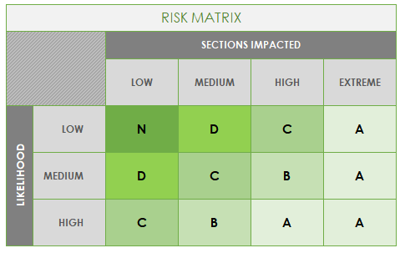
CONTINGENCY ANALYSIS AND EVALUATION
Complete the following for each IDENTIFIED RISK. See MATRIX at right.
IDENTIFIED RISK |  | RISK GRADE | POTENTIAL IMPACT
 |  | A
 |  | B
 |  | B
 |  | C
 |  | D
 |  | N
 |  | A
 |  | A
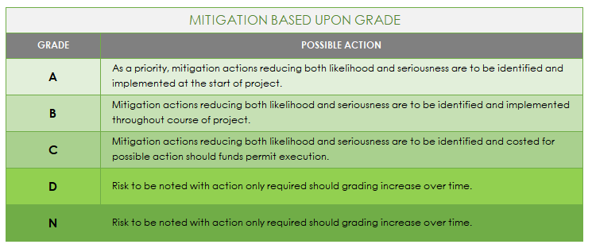
MITIGATION
Complete the following for each IDENTIFIED RISK. See MITIGATION CHART at right.
IDENTIFIED RISK
GRADE | A | MITIGATION ACTION: PREVENTATIVE or CONTINGENCY?

BUDGETARY IMPLICATIONS
PROPOSED MITIGATION ACTION
STAKEHOLDERS RESPONSIBLE
IDENTIFIED RISK
GRADE | A | MITIGATION ACTION: PREVENTATIVE or CONTINGENCY?

BUDGETARY IMPLICATIONS
PROPOSED MITIGATION ACTION
STAKEHOLDERS RESPONSIBLE
IDENTIFIED RISK
GRADE | A | MITIGATION ACTION: PREVENTATIVE or CONTINGENCY?

BUDGETARY IMPLICATIONS
PROPOSED MITIGATION ACTION
STAKEHOLDERS RESPONSIBLE
IDENTIFIED RISK
GRADE | A | MITIGATION ACTION: PREVENTATIVE or CONTINGENCY?

BUDGETARY IMPLICATIONS
PROPOSED MITIGATION ACTION
STAKEHOLDERS RESPONSIBLE
IDENTIFIED RISK
GRADE | A | MITIGATION ACTION: PREVENTATIVE or CONTINGENCY?

BUDGETARY IMPLICATIONS
PROPOSED MITIGATION ACTION
STAKEHOLDERS RESPONSIBLE
IDENTIFIED RISK
GRADE | A | MITIGATION ACTION: PREVENTATIVE or CONTINGENCY?

BUDGETARY IMPLICATIONS
PROPOSED MITIGATION ACTION
STAKEHOLDERS RESPONSIBLE
IDENTIFIED RISK
GRADE | A | MITIGATION ACTION: PREVENTATIVE or CONTINGENCY?

BUDGETARY IMPLICATIONS
PROPOSED MITIGATION ACTION
STAKEHOLDERS RESPONSIBLE
IDENTIFIED RISK
GRADE | A | MITIGATION ACTION: PREVENTATIVE or CONTINGENCY?

BUDGETARY IMPLICATIONS
PROPOSED MITIGATION ACTION
STAKEHOLDERS RESPONSIBLE
MONITORING
REVIEW OF RISKS AND ISSUES - check for issues that may have escalated
REVIEW FREQUENCY

PARTIES RESPONSIBLE FOR REVIEWING

MONITORING
MONITORING FREQUENCY

PARTIES RESPONSIBLE FOR MONITORING

REPORTING
REPORTING FREQUENCY

PARTIES RESPONSIBLE FOR REPORTING

CLICK HERE TO CREATE IN SMARTSHEET

