2015
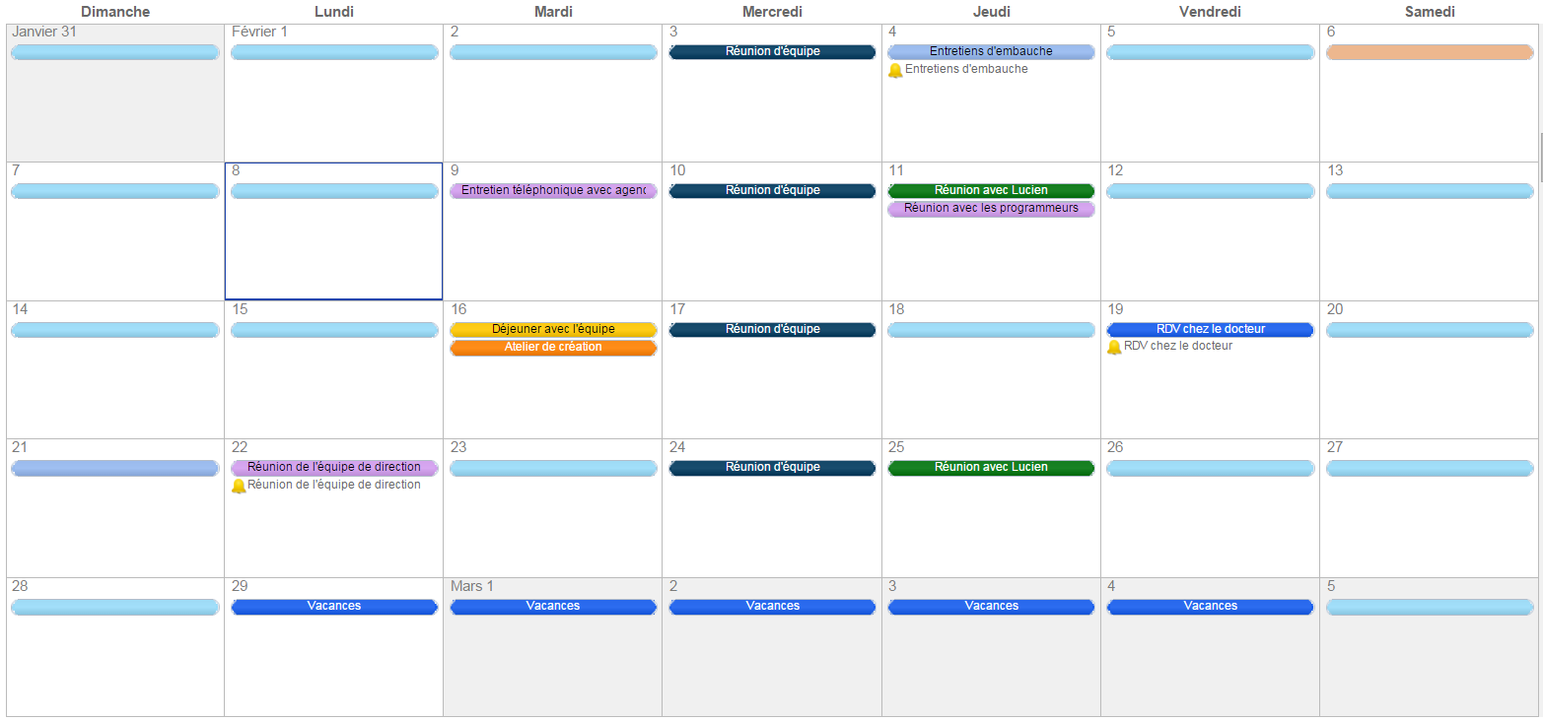
 | 2016 |  |  |  |  |  |  |  |  |  |  |  |  |  |  |  |  |  |  |  |  |  | Notes

 | Janvier |  |  |  |  |  |  | Février |  |  |  |  |  |  | Mars
 | Di | Lu | Ma | Me | Je | Ve | Sa | Di | Lu | Ma | Me | Je | Ve | Sa | Di | Lu | Ma | Me | Je | Ve | Sa | ______________________________________________________________
 |  |  |  |  |  | 1 | 2 |  | 1 | 2 | 3 | 4 | 5 | 6 |  |  | 1 | 2 | 3 | 4 | 5
 | 3 | 4 | 5 | 6 | 7 | 8 | 9 | 7 | 8 | 9 | 10 | 11 | 12 | 13 | 6 | 7 | 8 | 9 | 10 | 11 | 12 | ______________________________________________________________
 | 10 | 11 | 12 | 13 | 14 | 15 | 16 | 9 | 15 | 16 | 17 | 18 | 19 | 20 | 13 | 14 | 15 | 16 | 17 | 18 | 19
 | 17 | 18 | 19 | 20 | 21 | 22 | 23 | 21 | 22 | 23 | 24 | 25 | 26 | 27 | 20 | 21 | 22 | 23 | 24 | 25 | 26 | ______________________________________________________________
 | 24 | 25 | 26 | 27 | 28 | 29 | 30 | 28 | 29 |  |  |  |  |  | 27 | 28 | 29 | 30 | 31
 |  |  |  |  |  |  |  |  |  |  |  |  |  |  |  |  |  |  |  |  |  | ______________________________________________________________
 | Avril |  |  |  |  |  |  | Mai |  |  |  |  |  |  | Juin
 | Di | Lu | Ma | Me | Je | Ve | Sa | Di | Lu | Ma | Me | Je | Ve | Sa | Di | Lu | Ma | Me | Je | Ve | Sa | ______________________________________________________________
 |  |  |  |  |  | 1 | 2 | 1 | 2 | 3 | 4 | 5 | 6 | 7 |  |  |  | 1 | 2 | 3 | 4
 | 3 | 4 | 5 | 6 | 7 | 8 | 9 | 8 | 9 | 10 | 11 | 12 | 13 | 14 | 5 | 6 | 7 | 8 | 9 | 10 | 11 | ______________________________________________________________
 | 10 | 11 | 12 | 13 | 14 | 15 | 16 | 15 | 16 | 17 | 18 | 19 | 20 | 21 | 12 | 13 | 14 | 15 | 16 | 17 | 18
 | 17 | 18 | 19 | 20 | 21 | 22 | 23 | 22 | 23 | 24 | 25 | 26 | 27 | 28 | 19 | 20 | 21 | 22 | 23 | 24 | 25 | ______________________________________________________________
 | 24 | 25 | 26 | 27 | 28 | 29 | 30 | 29 | 30 | 31 |  |  |  |  | 26 | 27 | 28 | 29 | 30
 |  |  |  |  |  |  |  |  |  |  |  |  |  |  |  |  |  |  |  |  |  | ______________________________________________________________

 | Juillet |  |  |  |  |  |  | Août |  |  |  |  |  |  | Septembre |  |  |  |  |  |  | ______________________________________________________________
 | Di | Lu | Ma | Me | Je | Ve | Sa | Di | Lu | Ma | Me | Je | Ve | Sa | Di | Lu | Ma | Me | Je | Ve | Sa
 |  |  |  |  |  | 1 | 2 |  | 1 | 2 | 3 | 4 | 5 | 6 |  |  |  |  | 1 | 2 | 3 | ______________________________________________________________
 | 3 | 4 | 5 | 6 | 7 | 8 | 9 | 7 | 8 | 9 | 10 | 11 | 12 | 13 | 4 | 5 | 6 | 7 | 8 | 9 | 10
 | 10 | 11 | 12 | 13 | 14 | 15 | 16 | 14 | 15 | 16 | 17 | 18 | 19 | 20 | 11 | 12 | 13 | 14 | 15 | 16 | 17 | ______________________________________________________________
 | 17 | 18 | 19 | 20 | 21 | 22 | 23 | 21 | 22 | 23 | 24 | 25 | 26 | 27 | 18 | 19 | 20 | 21 | 22 | 23 | 24
 | 24 | 25 | 26 | 27 | 28 | 29 | 30 | 28 | 29 | 30 | 31 |  |  |  | 25 | 26 | 27 | 28 | 29 | 30 |  | ______________________________________________________________
 | 31
 |  |  |  |  |  |  |  |  |  |  |  |  |  |  |  |  |  |  |  |  |  | ______________________________________________________________
 | Octobre |  |  |  |  |  |  | Novembre |  |  |  |  |  |  | Décembre
 | Di | Lu | Ma | Me | Je | Ve | Sa | Di | Lu | Ma | Me | Je | Ve | Sa | Di | Lu | Ma | Me | Je | Ve | Sa | ______________________________________________________________
 |  |  |  |  |  |  | 1 |  |  | 1 | 2 | 3 | 4 | 5 |  |  |  |  | 1 | 2 | 3
 | 2 | 3 | 4 | 5 | 6 | 7 | 8 | 6 | 7 | 8 | 9 | 10 | 11 | 12 | 4 | 5 | 6 | 7 | 8 | 9 | 10 | ______________________________________________________________
 | 9 | 10 | 11 | 12 | 13 | 14 | 15 | 13 | 14 | 15 | 16 | 17 | 18 | 19 | 11 | 12 | 13 | 14 | 15 | 16 | 17
 | 16 | 17 | 18 | 19 | 20 | 21 | 22 | 20 | 21 | 22 | 23 | 24 | 25 | 26 | 18 | 19 | 20 | 21 | 22 | 23 | 24 | ______________________________________________________________
 | 23 | 24 | 25 | 26 | 27 | 28 | 29 | 27 | 28 | 29 | 30 |  |  |  | 25 | 26 | 27 | 28 | 29 | 30 | 31
 | 30 | 31

Ou, Créez votre propre planning mensuel dans Smartsheet

 |  |  |  |  |  |  |  |  |  |  |  |  |  |  |  | Démarrer | GRATUITEMENT

